Cover sheet
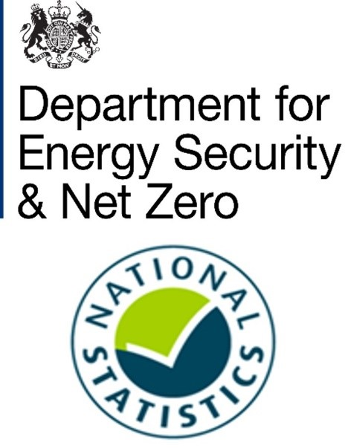
Subnational gas consumption, Great Britain, 2005 - 2022
This workbook presents National Statistics on gas consumption by country/region and local authority in Great Britain. These estimates are weather-corrected. This means that the effect of differences in weather conditions between years has been removed to provide more like for like comparisons over time.
A non-weather corrected version of these statistics is also published for the years 2015 and 2022 and can be found at:
Regional and local authority gas consumption statistics
The gas consumption years used in these statistics are as follows:
Prior to 2014: same October – September period as 2014 and 2015
2014: October 2013 – September 2014
2015: October 2014 – September 2015
2016: mid-July 2016 – mid-July 2017
2017: mid-June 2017 – mid-June 2018
2018: mid-May 2018 – mid-May 2019
2019: mid-May 2019 – mid-May 2020
2020: mid-May 2020 – mid-May 2021
2021: mid-May 2021 – mid-May 2022
2022: mid-May 2022 – mid-May 2023
Contents
Following this Cover sheet this workbook contains a Notes sheet containing a table of notes which accompany the data tables. This is followed by the gas consumption estimates which are presented in the form of one sheet for each of the years 2005 - 2022.
Publication dates
Publication date: 25 January 2024
Next update: December 2024
Methodology
These figures are based on meter level gas consumption data provided by Xoserve (who compile meter level data from gas shippers, who in turn receive the data from gas suppliers). Xoserve provide annualised estimates of consumption (AQs) for all gas meters. Xoserve provide the AQs on a weather corrected basis by a process which accounts for regional temperatures and wind speed and incorporates trends.
The gas meters are classified as being domestic or non-domestic according to their (weather-corrected) gas consumption. Those with an annual consumption less than the industry cut-off of 73,200 are classified as domestic and the rest are classified as non-domestic. This means that some small industrial and commercial consumers will be classified as domestic.
For more information about these gas consumption statistics, see Section 2 of:
Subnational energy statistics methodology note
Units
The figures for average (mean and median) gas consumption per meter point are presented in kilowatt hours (kWh).
The figures for total gas consumption are presented in gigawatt hours (GWh). 1GWh = 1 million kWh.
Elsewhere, energy statistics are often presented in kilotonnes of oil equivalent (ktoe). 1 ktoe = 11.63 GWh.
Where no value is provided for mean/median consumption this is because there are no gas meters of the given type for the local authority in question.
Other subnational energy consumption publications
Subnational gas consumption in Great Britain
Subnational electricity consumption in Great Britain
Subnational road transport consumption in the UK
Subnational residual fuel consumption in the UK (non-electricity, non-gas, non-road transport)
Subnational total final consumption for the UK (aggregating consumption from across the other publications)
Contact details
Responsible statistician: Hiten Shah
energyefficiency.stats@energysecurity.gov.uk
newsdesk@energysecurity.gov.uk

